Results
SUMMARY OF MATURITY ASSESSMENT

 | Agency:
 | Type:
 | State:
 | Country:
 | Date of Interview:
 | Name of Assessor:
 | Email of Assessor:

Question | Criteria | Aspect | Response | Transition | Score | Comments
1 | A1 | Management of the Organisation | 0 | 0 | #N/A
2 | B1 | Leadership | 0 | 0 | #N/A
3 | B2 | Change management | 0 | 0 | #N/A
4 | B3 | Organisational competencies and skills | 0 | 0 | #N/A
5 | B4 | Organisational culture | 0 | 0 | #N/A
6 | C1.1 | Risk management | 0 | 0 | #N/A
7 | C1.2 | Sustainability management | 0 | 0 | #N/A
8 | C1.3 | Stakeholder engagement strategy | 0 | 0 | #N/A
9 | C1.4 | Level of engagement strategy | 0 | 0 | #N/A
10 | C1.5 | Addressing community concerns | 0 | 0 | #N/A
11 | C2.1 | Whole of government policy framework | 0 | 0 | #N/A
12 | C2.2 | Corporate Governance | 0 | 0 | #N/A
13 | D1.1 | Asset management policy | 0 | 0 | #N/A
14 | D1.2 | Asset management objectives | 0 | 0 | #N/A
15 | D1.3 | Asset management strategy | 0 | 0 | #N/A
16 | D2.1 | Asset management acquisition plan | 0 | 0 | #N/A
17 | D2.2 | Asset management operations plan | 0 | 0 | #N/A
18 | D2.3 | Asset management maintenance plan | 0 | 0 | #N/A
19 | D2.4 | Asset management disposal plan | 0 | 0 | #N/A
20 | D3.1 | Performance and condition monitoring of assets | 0 | 0 | #N/A
21 | D3.2 | Corrective and preventive actions of assets | 0 | 0 | #N/A
22 | D3.3 | Procurement strategies and processes | 0 | 0 | #N/A
23 | E1 | Data management | 0 | 0 | #N/A
24 | E2 | Asset register | 0 | 0 | #N/A
25 | E3 | Asset information system | 0 | 0 | #N/A
26 | E4 | Relational Knowledge Management | 0 | 0 | #N/A
27 | F1 | Performance reviews | 0 | 0 | #N/A
28 | F2 | Audits | 0 | 0 | #N/A
29 | G1 | Measurement of outcomes / value realisation | 0 | 0 | #N/A
30 | G2 | Optimisation and calibration | 0 | 0 | #N/A

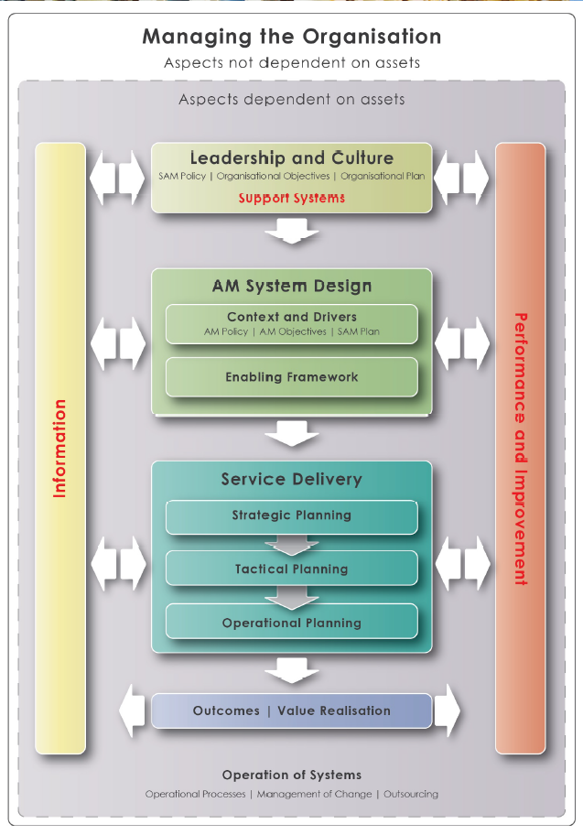
Average Maturity Score by AM Capability Area
 |  | Element |  |  | Avg Score
 |  | A Managing the Organisation |  |  | #N/A
 |  | B Leadership and Culture |  |  | #N/A
 |  | C1 Context and Drivers |  |  | #N/A
 |  | C2 Enabling Framework |  |  | #N/A
 |  | D1 Strategic Planning |  |  | #N/A
 |  | D2 Tactical Planning |  |  | #N/A
 |  | D3 Operational Planning |  |  | #N/A
 |  | E Information and Support Systems |  |  | #N/A
 |  | F Performance and Improvement |  |  | #N/A
 |  | G Outcomes / Value Realisation |  |  | #N/A

